CV
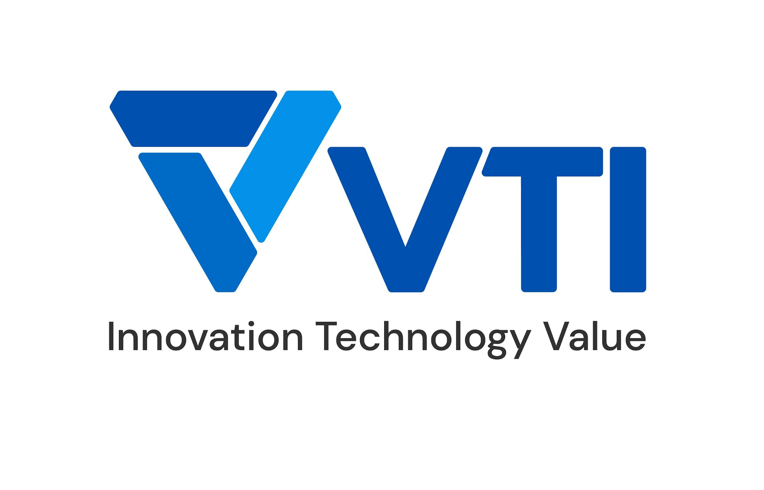 | CURRICULUM VITAE
PERSONAL DETAIL
Name | Dang The Anh
Nationality | Vietnamese
DOB | 1998
Sex | Male
Seniority | 4 years

ABOUT
- 3 years of experience in the computer software. - 3 years of experience in the Cloud Computing, DevOps. - 2 years work as AWS Solution Architect and Bigdata on Cloud. - Expert in designing and implementing cloud-based solutions for clients. - Experienced in creating automated pipelines to streamline the deployment of applications and services.

EDUCATIONAL BACKGROUND
2016-2021 |  | Water Resources University - Information Systems

CERTIFICATION
09/2023 - 09/2026 |  | AWS Certified Solution Architect - Professional
01/2023 - 01/2028 |  | AWS Certified SysOps Administrator - Associate
05/2022 - 05/2025 |  | AWS Certified Solution Architect - Associate

LANGUAGE
Vietnamese |  | Native
English |  | Toeic 600

TECHNICAL SKILL
Program language |  | Python, SQL, Bash Script
Data engineering |  | Databricks Delta Live Tables, Databricks Unity Catalog, Apache Spark, AWS Glue, Apache Kafka, Apache NiFi
ETL Techniques |  | Change Data Capture, Data Cleansing, Data Aggregation, Data Enrichment, Data Validation
Monitoring tool |  | Grafana, Prometheus, NetApp, AWS Cloudwatch, ELK Stack, New Relic
Automation/Orchestration tool |  | AWS DevOps stack, GCP DevOps stack, Gitlab-CI, Jenkins, ArgoCD, TerraForm, Ansible, AWS CloudFormation
Microservices |  | Kafka, ECS, Kurbernetes, EKS, Docker
OS |  | Windows, Linux
Database |  | MySQL, MongoDB, DynamoDB, PostgreSQL, DocumentDB
Public Cloud |  | AWS, Azure, GCP

EXPERIENCE
APC (Jan.2024 - now)
Customer |  | Japanese customer
Description |  | Building data platform on Databricks
Team Size |  | 5
My Position |  | Data engineer
My Responsibilites |  | - ETL job using Databricks, CDC - Handling database tasks
Technologies Used |  | Databricks, AWS

USMH (2022 - 2023)
Customer |  | Japanese customer
Description |  | Migration system and Database from on-premise to AWS, maintain system after migrate to AWS
Team Size |  | 25
My Position |  | Cloud engineer
My Responsibilites |  | - Design infrastructure architecture on AWS - Create migration plan to migrate Database and application to AWS - Design & apply CICD process - Create monitoring tool base on Grafana and Promethus
Technologies Used |  | AWS, Python, PostgresSQL, Granfana, Promethus

APC Devops (2023 - now)
Customer |  | Japanese customer
Description |  | Build Infrastructure in public cloud
Team Size |  | 10
My Position |  | Infrastructure engineer
My Responsibilites |  | - Design infrastructure architecture on AWS - Build and implement AWS services
Technologies Used |  | Cloud Run, Cloud SQL, Cloud Storage, Docker, GCP Services

HVN AWS Support (2022 - now)
Customer |  | Global Customer (Vietnam, Japan, Thailand, India)
Description |  | Join & manage projects related to moving/migrate/construct new systems to AWS
Team Size |  | 3
My Position |  | AWS Cloud engineer
My Responsibilites |  | - Maintain & monitor deep report HVN's AWS systems
Technologies Used |  | AWS

F88 Landing Zone Consultant (2021)
Customer |  | Vietnamese customer
Description |  | Consulting for customer in the implementation Landing Zone
Team Size |  | 3
My Position |  | AWS Solution Architect
My Responsibilites |  | - Design Microservice Architecture, Multi VPC/Account Architecture.
Technologies Used |  | AWS, Microservices

I declare that the above information is accurate.

